1. Title Page
Grocery Basket Analysis

Project Name: Instacart Grocery Basket Analysis
Date: 16.04.2024
Analyst Name: Iusupov Azamat

Contents:
Population Flow
Consistency checks
Wrangling steps
Column derivations
Visualizations
Recommendations

2. Population Flow
Title page

Population flow

Exclusion flag
Condition: max_order < 5 = 'Low_activity'
Observations to be removed: 1 440 295 records Final total count of order_products_all: 30 964 564

Orders_products_combined
Orders_products_merged
Main customers

Total: 32 404 859
Total: 32 434 489
Total: 30 964 564

1.) The grey boxes in the first row of the population flow represent the original data sets as they were when you downloaded them. In the Total fields you need to add the count of the rows when you imported the data set into Jupyter.
2.) The second row of boxes (coloured) represents the data sets after you manipulated them, e.g., removed missing values and duplicates. In the Total fields you need to add the count of the rows after conducting these operations. This offers a visual oveview of how the data flows throughout the data consistency checks.
3.) The third row, where also the arrows are coloured, represents the merges you performed between the datasets. In the Total fields you need to add the count of the rows in the merged datasets, so that you end up with the final dataset (in the red box). Keep in mind the final dataset should be without exclusions (based on the exclusion flag).

3. Consistency checks
 |  |  |  |  | Title page
Consistency checks

Dataset | Missing values | Missing values treatment | Duplicates
orders | 206209 rows | we create a subset. (we didn't delete NaN rows) | no
products | 16 items | erase them(create new dataframe) | 5 items
orders_products_prior | no | no | no
customers | 11259 rows | we did't delete these rows. Here, we have missing only first name of the customer | no

Spending habits by regions.
Spending_flag | Midwest | Northeast | South | West
High spender | 155975 | 108225 | 209691 | 160354
Low spender | 7441350 | 5614511 | 10582194 | 8132559

4. Wrangling steps
Wrangling steps
 |  | Title page

Columns dropped | Columns renamed | Columns' type changed | Comment/Reason
Eval set in 'orders' df |  |  | This column contains system information that acts as a label for the entire data set
 |  | order_id in 'orders' df | we change it to 'object' type
 | order_dow : order_day_of_week in orders df |  | This is more undestandable
 | First Name : first_name in customers df
 | Surnam' : 'second_name' in customers df
 | STATE' : 'state' in customers df
 | 'Age' : 'age' in customers df
 | n_dependants':'num_of_dependants' in customers df

first name |  |  | main_customers has two columns: 'first name' and 'second name'. Ask stakeholders before deleting them. According to PII we need to address them properly
second name

5. Column derivations
In this tab you should add tables below that the frequences of flags/label variables that you produced after deriving them. NB: don't do this for continuous variables, only for flags.
 |  |  |  | Title page

Column derivations and aggregations

Dataset | New column | Column/s it was derived from | Conditions
df_ords_prods_merge | Loyalty_flag | max_order, user_id, order_number | if 'max_order' > 40 then = Loyal customer, if 'max_order' <=40 and >10 then = Regular customer, if 'max_order' <=10 then = New customer. loyalty_flag Regular customer 15 876 776 Loyal customer 10 284 093 New customer 6 243 990
df_ords_prods_merge | Spending _flag | avg_price, user_id, prices | if 'avg_price' < 10 then = Low spender, if 'avg_price' >= 10 then = High spender Spending_flag Low spender 31 770 614 High spender 634 245
df_ords_prods_merge | Frequency_flag | days_since_prior_order_median, user_id, days_since_prior_order | if days_since_prior_order_median > 20 then = Non-frequent Customer if days_since_prior_order_median >10 & <= 20 then = Regular customer if days_since_prior_order_median <= 10 then = Frequent Customer Frequency_flag Frequent Customer 21 559 853 Regular customer 7 208 564 Non-frequent Customer 3 636 437 nan 5
df_ords_prods_merge | order_day_of_week 0 6204182 1 5660230 6 4496490 2 4213830 5 4205791 3 3840534 4 3783802 | order_day_of_week | Checking the busiest day of the week using value counts. Our busiest days of the week are: 'Saturday' and 'Sunday'. Our slowest days of the week are: 'Tuesday' and 'Thursday' Day of week: 0-Saturday 1-Sunday 2-Monday 3-Tuesday 4-Wednesday 5-Thursday 6-Friday
df_ords_prods_merge | busiest_period_of_day | order_day_of_week | if the value is 0,1 then = the Busiest days if the value is 3,4 then = Slowest days else = Regular days. busiest_day Regular days 12 916 111 Busiest days 11 864 412 Slowest days 7 624 336
df_ords_prods_merge | order_hour_of_day' | 'order_hour_of_day' | Checking 'order_hour_of_day' by value counts. The busiest time of the day is 10:00 am order_hour_of_day 10 2761760 11 2736140 14 2689136 15 2662144 13 2660954 12 2618532 16 2535202 9 2454203 17 2087654 8 1718118 18 1636502 19 1258305 20 976156 7 891054 21 795637 22 634225 23 402316 6 290493 0 218769 1 115700 5 87961 2 69375 4 53242 3 51281
df_ords_prods_merge | busiest_period_of_day | order_hour_of_day | if value in [10, 11, 14, 15, 13, 12, 16, 9]: then = Most orders else if value in [23, 6, 0, 1, 5, 2, 4, 3]: then Fewest orders else = Average orders busiest_period_of_day Most orders 21118071 Average orders 9997651 Fewest orders 1289137
df_ords_prods_merge | price_range_loc | prices | if prices <= 5 then = Low-range product else if prices > 5 and prices <= 15 then = Mid-range product else if prices > 15 then = High range price_range Mid-range product 756 450 Low-range product 243 550 High-range product 417678
df_ords_prods_merge | avg_price | prices | df_ords_prods_merge.groupby(['user_id'])['prices'].transform(np.mean)
df_ords_prods_merge | days_since_prior_order_median | days_since_prior_order | df_ords_prods_merge.groupby(['user_id'])['days_since_prior_order'].transform(np.median)
orders_products_all | region | state | if state in ['Maine', 'New Hampshire', 'Vermont', 'Massachusetts', 'Rhode Island', 'Connecticut', 'New York', 'Pennsylvania', 'New Jersey']: result.append('Northeast') elif state in ['Wisconsin', 'Michigan', 'Illinois', 'Indiana', 'Ohio', 'North Dakota', 'South Dakota', 'Nebraska', 'Kansas', 'Minnesota', 'Iowa', 'Missouri']: result.append('Midwest') elif state in ['Delaware', 'Maryland', 'District of Columbia', 'Virginia', 'West Virginia', 'North Carolina', 'South Carolina', 'Georgia', 'Florida', 'Kentucky', 'Tennessee', 'Mississippi', 'Alabama', 'Oklahoma', 'Texas', 'Arkansas', 'Louisiana']: result.append('South') else: result.append('West')
orders_products_all | exclusion_flag | max_order | orders_products_all.loc[orders_products_all['max_order'] < 5, 'exclusion_flag'] = 'Low_activity' orders_products_all.loc[orders_products_all['max_order'] >= 5, 'exclusion_flag'] = 'Regular_activity'
main_customers | age_type | age | if age <= 40, 'age_type' = 'young_person' if age >40 & age <60, 'age_type' = 'adult_person' if age >= 60, 'age_type' = 'senior_person'
main_customers | income_type | income | if income < 50000, 'income_type' = 'low_income' if income >= 50000 & 'income' <100000, 'income_type' = 'average_income' if income >= 100000, 'income_type' = 'high_income'
main_customers | family_type | num_of_dependants | if kids <= 1, 'family_type' = 'small_family' if kids = 2, 'family_type' = 'middle_family' if kids >= 3, 'family_type' = 'big_family'
main_customers | expenditures | 'prices' | was grouped by user id, derived from column 'prices'

6. Visualizations
 |  |  |  |  |  |  |  |  | Title page

Visualisations-great way to generate new insights.

In this tab you should include all the visualtions from Exercises 4.9 and 4.10, alongside the questions from the project brief that they answer. Include any commentary on the relationship between different variables.

Visualizations are so important because they allow to communicate the results of analysis to others—results that would otherwise be inaccessible to non-experts. It is a great way to generate new perspectives on the Data

 | 1. Number of dependants by age.
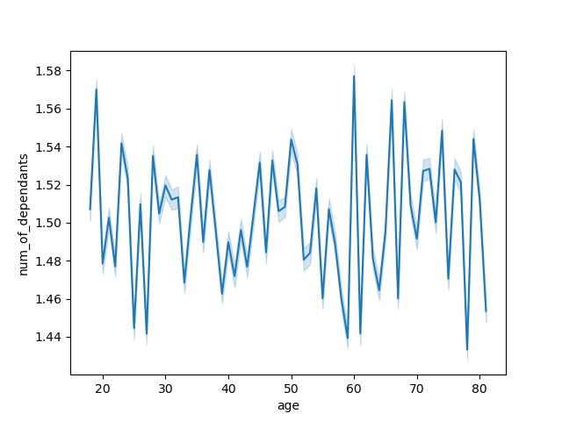

 |  |  |  |  | Do we have a connection between age and family situation? The line in the Line Chart fluctuates up and down. We do not see any clear pattern or tendency..however, we see several high outliers at age 19, 61, 66, 68 and a low outliers at aged 25, 27, 59, 61, 78.

 | 2. Busiest day of week


 |  |  |  |  |  | This bar chart perfectly shows the most busiest day of week, when the most purchases been made: Saturday and Sunday Day of week: 0-Saturday 1-Sunday 2-Monday 3-Tuesday 4-Wednesday 5-Thursday 6-Friday

 | 3. Busiest time of the day


 |  |  |  |  |  |  | The Histogram demonstrates the busiest time of the day when most of the purchases are made… 10:00 AM- busiest time

 | 4. Income by age


 |  |  |  |  |  |  | From my view, there are different groups of people with different incomes. We have young and old people with relatively high incomes. But the tendency shows, beginning from age '40' we can see high revenue. Graph also shows the group of people beginning from 40 years old with relatively high income over 200.000- 300.000 (very interesting fact)

 | 5. Loyal customers


 |  |  |  |  |  |  | This bar chart shows groups of customers (in mln.), with loyalty attitude. First column shows 'Regular customer' Second column shows 'Loyal customer' Third column shows 'New customer' Regular customer 15876776 Loyal customer 10284093 New customer 6243990

 |  | regular customer | loyal customer | new customer

 | 6. Prices according to time (am/pm)
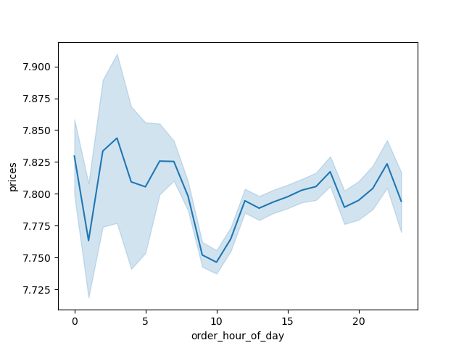

 |  |  |  |  |  |  | The blue line represents how prices differ depending on the time of the day. The peaks on time go to 3 am, and 7 am. Then it goes down until 10 am and then rising again until 11 pm. This might be due to people buying expensive goods at late night.

 | 7. Customers according income by region
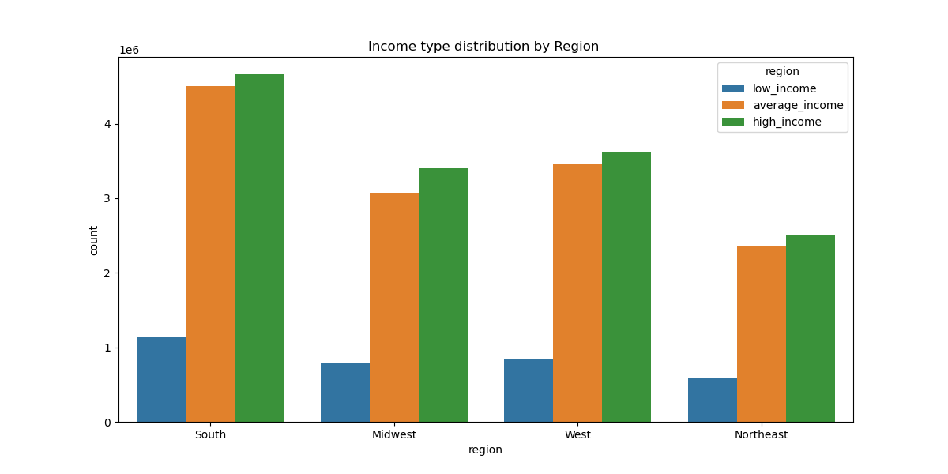

 |  |  |  |  |  |  |  | This bar chart shows how customers are distributed by region according to their income. Most tendencies are similar.

 | 8. Customers according income by departments
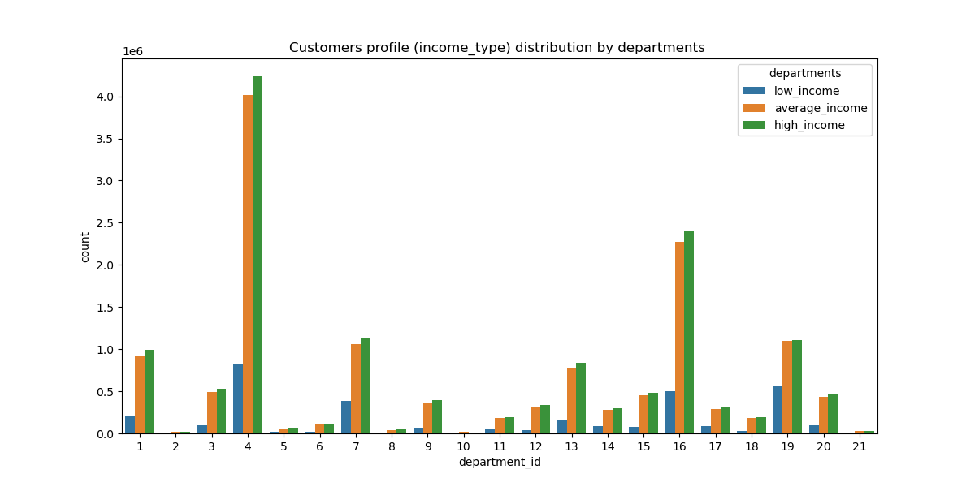

 |  |  |  |  |  |  |  |  | This bar chart shows the behavior of the clients. As we can see, the customers with average and high incomes are loyal to departments 'PRODUCE', and 'DAIRY EGGS'

 | 9. Department frequency
 | As we see, that most departments are: 4 and 16 wich are 'produce' and 'dairy eggs'. Then comes 19, 7, 1, 13 wich are 'snacks', 'beverages', 'frozen', 'pantry'.
 | After that comes a decreasing.
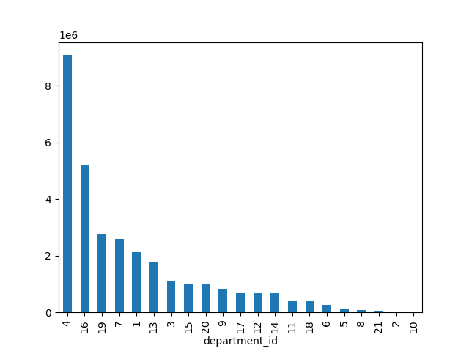
 |  |  |  |  |  | '1': {'department': 'frozen'},
 |  |  |  |  |  | '2': {'department': 'other'},
 |  |  |  |  |  | '3': {'department': 'bakery'},
 |  |  |  |  |  | '4': {'department': 'produce'},
 |  |  |  |  |  | '5': {'department': 'alcohol'},
 |  |  |  |  |  | '6': {'department': 'international'},
 |  |  |  |  |  | '7': {'department': 'beverages'},
 |  |  |  |  |  | '8': {'department': 'pets'},
 |  |  |  |  |  | '9': {'department': 'dry goods pasta'},
 |  |  |  |  |  | '10': {'department': 'bulk'},
 |  |  |  |  |  | '11': {'department': 'personal care'},
 |  |  |  |  |  | '12': {'department': 'meat seafood'},
 |  |  |  |  |  | '13': {'department': 'pantry'},
 |  |  |  |  |  | '14': {'department': 'breakfast'},
 |  |  |  |  |  | '15': {'department': 'canned goods'},
 |  |  |  |  |  | '16': {'department': 'dairy eggs'},
 |  |  |  |  |  | '17': {'department': 'household'},
 |  |  |  |  |  | '18': {'department': 'babies'},
 |  |  |  |  |  | '19': {'department': 'snacks'},
 |  |  |  |  |  | '20': {'department': 'deli'},
 |  |  |  |  |  | '21': {'department': 'missing'}}

7. Recommendations
 |  | Title page

Recommendations

In this tab you should include any recommendations you would made to Instcart in terms of their marketing strategy based on the questions posed in the brief. Every key question has been covered in the Tasks of the Exercises - here you need to add an item - a visualisation or table/crosstable that is showing the answer in the data, acompanied by a comment from you. Please, list the questions below and add the answer underneath.

Question | Answer
What the busiest hour is for placing orders What are the busiest days | According to the analisys , the busiest time is 10:00 am. The budiest day are Saturdays and Sundays.

What is the best time of the day when people spend the most money | The peaks on time go to 3 am, and 7 am. Then it goes down until 10 am and then rising again until 11 pm.

Which departments have the highest frequency of product orders | 'PRODUCE', and 'DAIRY EGGS'

What is the busiest time of day? | 10, 11, 14, 15, 13, 12, 16, 9 hours - Most orders 17, 8, 18, 19, 20, 7, 21, 22 hours - Average orders 23, 6, 0, 1, 5, 2, 4, 3 hours - Most orders

What are price range groups? | Mid-range product 756450 items Low-range product 243550 items High-range product 417678 items

Instacart loyalty customers | Regular customer 15876776 Loyal customer 10284093 New customer 6243990

Are there differences in ordering habits based on a customers income by regions | Customers show no particular tendencies in ditribution by regions

Are there differences based on family types by departments | Big family(3 kids) and middle family(2 kids) have like very similar tendencies and show moderate visiting of the departments: produce, dairy-eggs and beverages. Whereas, small families (1 or less kid) show hight visiting tendency for the departments: produce, dairy- egg, and beverages.

Is there tendency between age and income? | Instacart has young and senior customers with relatively high incomes. But the tendency shows, beginning from age '40' we can see high revenue.

Best department according average price | Department 21(actually, there is no name in original data. Average price is 22.90

Lowest selling department according the average price | Department 1 (frozen) has 13.45 average price

